Configurator
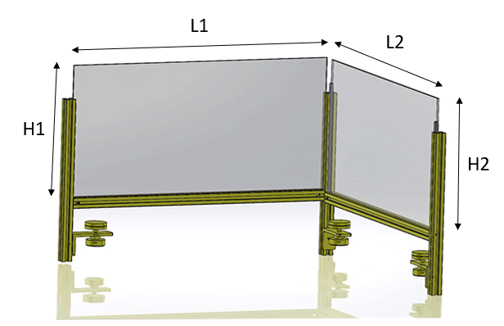
 | Eingabe | Hinweise
Length (L1) in mm | 500 | max 1195 mm, L+35mm = total length
Length (L2) in mm | 300 | max 1195 mm, L+35mm = total length
Hight (H1) in mm | 250 | min 200, max 1000 mm,
Hight (H2) in mm | 250 | min 200, max 1000 mm,
Thickness of plate (T1) in mm | 3 | 1, 2, 3 ,4 ,5, 8 - has to match with profile
Thickness of plate (T2) in mm | 3 | 1, 2, 3 ,4 ,5, 8 - has to match with profile
Number of clamps | 3 | min. 2

 | No | Part name | MisumiFA_SpecNumber | Qty.
 | 1 | L Shape Finished Angle Mounting | LRAMW-SS-T5-A80-B40-L30-S20-N4-H50-MA6 | 3
 | 2 | 5 Series/slot width 6/20x20mm | HFSC5-2020-300.0 | 3
 | 3 | 5 Series/Pre-Assembly Insertion Nuts | HNTT5-3 | 3
 | 4 | Clamp | KFB40-8-25 | 3
 | 5 | Plastic Clamp Knobs | NAF10-35 | 3
 | 6 | Socket Head Cap Screws | SCB5-10 | 3
 | 7 | Blind Joint Parts - Center Joint Kits | HMJ5 | 4
 | 8 | 5 Series/slot width 6/20x20mm | NFS5-2020-500-LMH-RMH | 1
 | 9 | 5 Series/slot width 6/20x20mm | NFS5-2020-300-LMH-RMH | 1
 | 10 | Transparent Plastic Plate | PCTA-504-250-3 | 1
 | 11 | Transparent Plastic Plate | PCTA-304-250-3 | 1
 | 12 | Panel Clamps | HSCPF3H-S-207 | 4

