Configurator
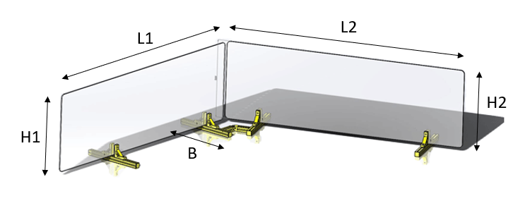
 | Input
Length (L1) in mm | 900 | max 1200 mm
Length (L2) in mm | 1000 | max 1200 mm
Hight (H1) in mm | 500 | max 1000 mm
Hight (H2) in mm | 500 | max 1000 mm
Width (B) in mm | 250 | min. 110 mm
Thickness (T1) in mm | 4 | 1, 2, 3 ,4 ,5, 8
Thickness (T2) in mm | 4 | 1, 2, 3 ,4 ,5, 8
Number of bases | 4 | min. 4

 | No | Part name | MisumiFA_SpecNumber | Qty.
 | 1 | Aluminum Extrusions 5 Series /slot width 6/20x20mm | NFS5-2020-250 | 4
 | 2 | 5Series /Frame caps | HFCL5-2020-B | 8
 | 3 | 5 Series/Ultra thick 1 Slot | NBLUS5 | 8
 | 4 | 5 Series/Pre-Assembly Insertion Nuts | HNTT5-5 | 8
 | 5 | Buffer Element for Base | RBCMFA1-250-20 | 4
 | 6 | Buffer Element for Clamping | RBCMF1-50-15 | 8
 | 7 | Socket Head Cap Screws | SCB5-14 | 8
 | 8 | Transparent Plastic Plate | PYA-900-500-4-CRA15-CRB15-CRC15-CRD15 | 1
 | 9 | Tansparente Kunststoffplatten | PYA-1000-500-4-CRA15-CRB15-CRC15-CRD15 | 1
 | 10 | 5 Series/Free Angle Brackets | HBLTBA20-SET1 | 1
 | 11 | 5 Series/Free Angle Brackets | HBLTBBN20-SET | 1
 | 12 | Aluminum Extrusions 5 Series /slot width 6/20x20mm | NFS5-2020-50-LMH-RTP | 2
 | 13 | Blind Joint Parts | HMJ5 | 2

