Configurator
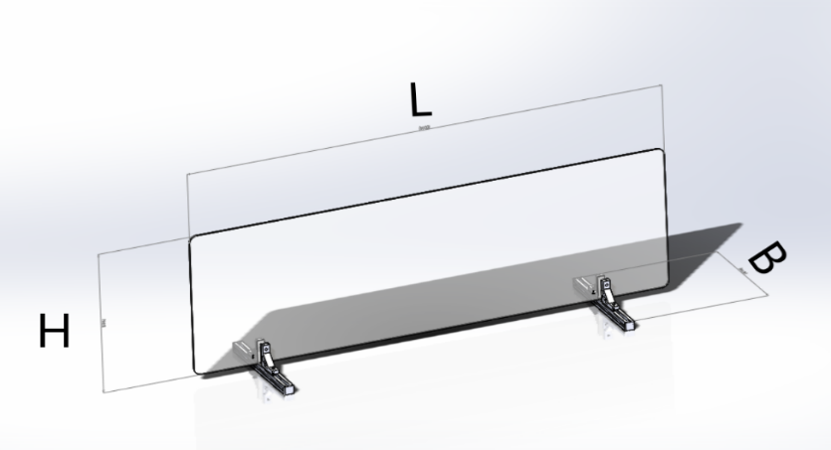
 | Input
Length (L) in mm | 900 | max 1200 mm
Hight (H) in mm | 500 | max 1000 mm
Width (B) in mm | 250 | min. 110 mm
Thickness (T) in mm | 4 | 1, 2, 3 ,4 ,5, 8
Number of Bases | 2 | min. 2,

 | No | Part name | MisumiFA_SpecNumber | Qty.
 | 1 | Aluminum Extrusions 5 Series /slot width 6/20x20mm | NFS5-2020-250 | 2
 | 2 | 5Series /Frame caps | HFCL5-2020-B | 4
 | 3 | 5 Series/Ultra thick 1 Slot | NBLUS5 | 4
 | 4 | 5 Series/Pre-Assembly Insertion Nuts | HNTT5-3 | 4
 | 5 | Buffer Element for Base | RBCMFA1-250-20 | 4
 | 6 | Buffer Element for Clamping | RBCMF1-50-15 | 4
 | 7 | Socket Head Cap Screws | SCB3-15 | 4
 | 8 | Transparent Plastic Plate | PYA-900-500-4-CRA15-CRB15-CRC15-CRD15 | 1

